Sheet2
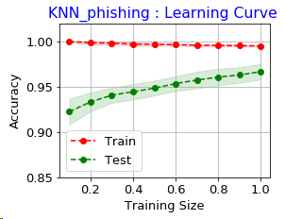
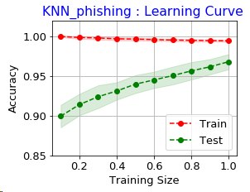
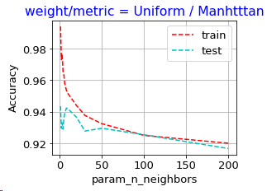

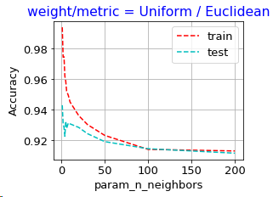

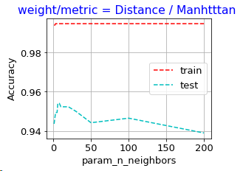
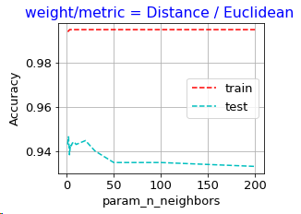

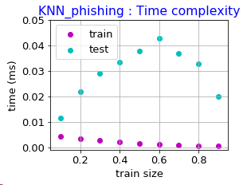

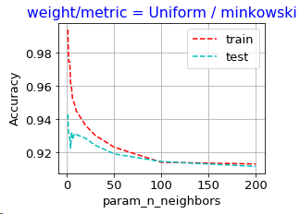

{'n_neighbors': 6, 'metric': 'manhattan', 'weights': 'distance'} | {'n_neighbors': 1, 'metric': 'manhattan', 'weights': 'uniform'}
knn_phishing | knn_phishing
Train accuracy: 0.9942 | Train accuracy: 0.9936
Test accuracy: 0.9783 | Test accuracy: 0.9796

